Sheet2
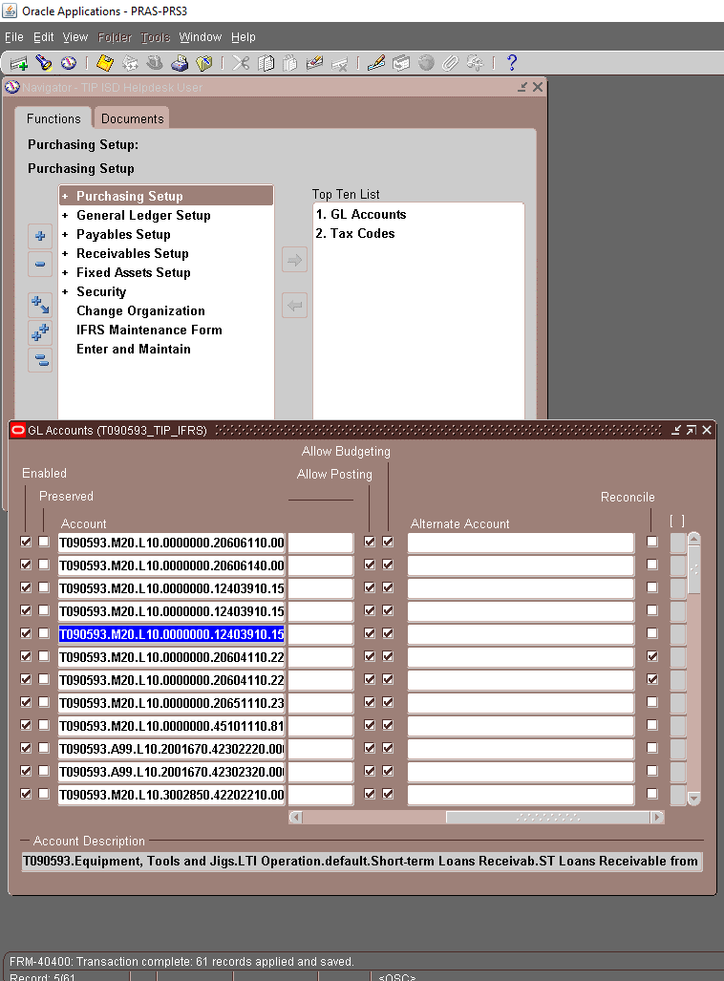
T090593.M20.L10.0000000.20606110.0000.00000.PHL.0000000.000000.0000 | \{TAB} | 28-OCT-2019 | \{TAB} | \{TAB} | \{TAB} | \{TAB} | \{TAB} | \{TAB} | \{TAB} | \{TAB}
T090593.M20.L10.0000000.20606140.0000.00000.PHL.0000000.000000.0000 | \{TAB} | 28-OCT-2019 | \{TAB} | \{TAB} | \{TAB} | \{TAB} | \{TAB} | \{TAB} | \{TAB} | \{TAB}
T090593.M20.L10.0000000.12403910.1501.00000.PHL.0000000.000000.0000 | \{TAB} | 28-OCT-2019 | \{TAB} | \{TAB} | \{TAB} | \{TAB} | \{TAB} | \{TAB} | \{TAB} | \{TAB}
T090593.M20.L10.0000000.12403910.1504.00000.PHL.0000000.000000.0000 | \{TAB} | 28-OCT-2019 | \{TAB} | \{TAB} | \{TAB} | \{TAB} | \{TAB} | \{TAB} | \{TAB} | \{TAB}
T090593.M20.L10.0000000.12403910.1507.00000.PHL.0000000.000000.0000 | \{TAB} | 28-OCT-2019 | \{TAB} | \{TAB} | \{TAB} | \{TAB} | \{TAB} | \{TAB} | \{TAB} | \{TAB}
T090593.M20.L10.0000000.20604110.2261.00000.PHL.0000000.000000.0000 | \{TAB} | 28-OCT-2019 | \{TAB} | \{TAB} | \{TAB} | \{TAB} | \{TAB} | \{TAB} | \{TAB} | \{TAB}
T090593.M20.L10.0000000.20604110.2262.00000.PHL.0000000.000000.0000 | \{TAB} | 28-OCT-2019 | \{TAB} | \{TAB} | \{TAB} | \{TAB} | \{TAB} | \{TAB} | \{TAB} | \{TAB}
T090593.M20.L10.0000000.20651110.2351.00000.PHL.0000000.000000.0000 | \{TAB} | 28-OCT-2019 | \{TAB} | \{TAB} | \{TAB} | \{TAB} | \{TAB} | \{TAB} | \{TAB} | \{TAB}
T090593.M20.L10.0000000.45101110.8114.00000.PHL.0000000.000000.0000 | \{TAB} | 28-OCT-2019 | \{TAB} | \{TAB} | \{TAB} | \{TAB} | \{TAB} | \{TAB} | \{TAB} | \{TAB}
T090593.A99.L10.2001670.42302220.0000.X2000.PHL.0000000.000000.0000 | \{TAB} | 28-OCT-2019 | \{TAB} | \{TAB} | \{TAB} | \{TAB} | \{TAB} | \{TAB} | \{TAB} | \{TAB}
T090593.A99.L10.2001670.42302320.0000.X2000.PHL.0000000.000000.0000 | \{TAB} | 28-OCT-2019 | \{TAB} | \{TAB} | \{TAB} | \{TAB} | \{TAB} | \{TAB} | \{TAB} | \{TAB}
T090593.M20.L10.3002850.42202210.0000.X2000.PHL.0000000.000000.0000 | \{TAB} | 28-OCT-2019 | \{TAB} | \{TAB} | \{TAB} | \{TAB} | \{TAB} | \{TAB} | \{TAB} | \{TAB}
T090593.M20.L10.3002850.42202220.0000.X2000.PHL.0000000.000000.0000 | \{TAB} | 28-OCT-2019 | \{TAB} | \{TAB} | \{TAB} | \{TAB} | \{TAB} | \{TAB} | \{TAB} | \{TAB}
T090593.M20.L10.4002810.42102210.0000.X2000.PHL.0000000.000000.0000 | \{TAB} | 28-OCT-2019 | \{TAB} | \{TAB} | \{TAB} | \{TAB} | \{TAB} | \{TAB} | \{TAB} | \{TAB}
T090593.M20.L10.4002810.42102220.0000.X2000.PHL.0000000.000000.0000 | \{TAB} | 28-OCT-2019 | \{TAB} | \{TAB} | \{TAB} | \{TAB} | \{TAB} | \{TAB} | \{TAB} | \{TAB}
T090593.M20.L10.4002810.42102320.0000.X2000.PHL.0000000.000000.0000 | \{TAB} | 28-OCT-2019 | \{TAB} | \{TAB} | \{TAB} | \{TAB} | \{TAB} | \{TAB} | \{TAB} | \{TAB}
T090593.M20.L10.4002810.42102430.0000.X2000.PHL.0000000.000000.0000 | \{TAB} | 28-OCT-2019 | \{TAB} | \{TAB} | \{TAB} | \{TAB} | \{TAB} | \{TAB} | \{TAB} | \{TAB}
T090593.M20.L10.4002820.42102220.0000.X2000.PHL.0000000.000000.0000 | \{TAB} | 28-OCT-2019 | \{TAB} | \{TAB} | \{TAB} | \{TAB} | \{TAB} | \{TAB} | \{TAB} | \{TAB}
T090593.M20.L10.4002830.42102210.0000.X2000.PHL.0000000.000000.0000 | \{TAB} | 28-OCT-2019 | \{TAB} | \{TAB} | \{TAB} | \{TAB} | \{TAB} | \{TAB} | \{TAB} | \{TAB}
T090593.M20.L10.4002830.42102220.0000.X2000.PHL.0000000.000000.0000 | \{TAB} | 28-OCT-2019 | \{TAB} | \{TAB} | \{TAB} | \{TAB} | \{TAB} | \{TAB} | \{TAB} | \{TAB}
T090593.M20.L10.4002830.42102320.0000.X2000.PHL.0000000.000000.0000 | \{TAB} | 28-OCT-2019 | \{TAB} | \{TAB} | \{TAB} | \{TAB} | \{TAB} | \{TAB} | \{TAB} | \{TAB}
T090593.M20.L10.4002830.42104510.0000.X2000.PHL.0000000.000000.0000 | \{TAB} | 28-OCT-2019 | \{TAB} | \{TAB} | \{TAB} | \{TAB} | \{TAB} | \{TAB} | \{TAB} | \{TAB}
T090593.M20.L10.3002850.42202310.7312.X2000.PHL.0000000.000000.0000 | \{TAB} | 28-OCT-2019 | \{TAB} | \{TAB} | \{TAB} | \{TAB} | \{TAB} | \{TAB} | \{TAB} | \{TAB}
T090593.M20.L10.4002810.42102310.7312.X2000.PHL.0000000.000000.0000 | \{TAB} | 28-OCT-2019 | \{TAB} | \{TAB} | \{TAB} | \{TAB} | \{TAB} | \{TAB} | \{TAB} | \{TAB}
T090593.M20.L10.4002830.42102310.7312.X2000.PHL.0000000.000000.0000 | \{TAB} | 28-OCT-2019 | \{TAB} | \{TAB} | \{TAB} | \{TAB} | \{TAB} | \{TAB} | \{TAB} | \{TAB}
T090593.M20.L10.4002830.42102310.7313.X2000.PHL.0000000.000000.0000 | \{TAB} | 28-OCT-2019 | \{TAB} | \{TAB} | \{TAB} | \{TAB} | \{TAB} | \{TAB} | \{TAB} | \{TAB}
T090593.M20.L10.3002850.42202910.7321.X2000.PHL.0000000.000000.0000 | \{TAB} | 28-OCT-2019 | \{TAB} | \{TAB} | \{TAB} | \{TAB} | \{TAB} | \{TAB} | \{TAB} | \{TAB}
T090593.M20.L10.4002810.42102910.7321.X2000.PHL.0000000.000000.0000 | \{TAB} | 28-OCT-2019 | \{TAB} | \{TAB} | \{TAB} | \{TAB} | \{TAB} | \{TAB} | \{TAB} | \{TAB}
T090593.M20.L10.4002830.42102910.7321.X2000.PHL.0000000.000000.0000 | \{TAB} | 28-OCT-2019 | \{TAB} | \{TAB} | \{TAB} | \{TAB} | \{TAB} | \{TAB} | \{TAB} | \{TAB}
T090593.M20.L10.3002850.42202930.7327.X2000.PHL.0000000.000000.0000 | \{TAB} | 28-OCT-2019 | \{TAB} | \{TAB} | \{TAB} | \{TAB} | \{TAB} | \{TAB} | \{TAB} | \{TAB}
T090593.M20.L10.4002810.42102930.7327.X2000.PHL.0000000.000000.0000 | \{TAB} | 28-OCT-2019 | \{TAB} | \{TAB} | \{TAB} | \{TAB} | \{TAB} | \{TAB} | \{TAB} | \{TAB}
T090593.M20.L10.4002830.42102930.7327.X2000.PHL.0000000.000000.0000 | \{TAB} | 28-OCT-2019 | \{TAB} | \{TAB} | \{TAB} | \{TAB} | \{TAB} | \{TAB} | \{TAB} | \{TAB}
T090593.M20.L10.4002810.42102930.7328.X2000.PHL.0000000.000000.0000 | \{TAB} | 28-OCT-2019 | \{TAB} | \{TAB} | \{TAB} | \{TAB} | \{TAB} | \{TAB} | \{TAB} | \{TAB}
T090593.M20.L10.4002830.42102930.7328.X2000.PHL.0000000.000000.0000 | \{TAB} | 28-OCT-2019 | \{TAB} | \{TAB} | \{TAB} | \{TAB} | \{TAB} | \{TAB} | \{TAB} | \{TAB}
T090593.M20.L10.3002850.42202610.7340.X2000.PHL.0000000.000000.0000 | \{TAB} | 28-OCT-2019 | \{TAB} | \{TAB} | \{TAB} | \{TAB} | \{TAB} | \{TAB} | \{TAB} | \{TAB}
T090593.M20.L10.4002810.42102610.7340.X2000.PHL.0000000.000000.0000 | \{TAB} | 28-OCT-2019 | \{TAB} | \{TAB} | \{TAB} | \{TAB} | \{TAB} | \{TAB} | \{TAB} | \{TAB}
T090593.M20.L10.4002830.42102610.7340.X2000.PHL.0000000.000000.0000 | \{TAB} | 28-OCT-2019 | \{TAB} | \{TAB} | \{TAB} | \{TAB} | \{TAB} | \{TAB} | \{TAB} | \{TAB}
T090593.A99.L10.2001670.42302910.7424.X2000.PHL.0000000.000000.0000 | \{TAB} | 28-OCT-2019 | \{TAB} | \{TAB} | \{TAB} | \{TAB} | \{TAB} | \{TAB} | \{TAB} | \{TAB}
T090593.M20.L10.4002810.42102910.7424.X2000.PHL.0000000.000000.0000 | \{TAB} | 28-OCT-2019 | \{TAB} | \{TAB} | \{TAB} | \{TAB} | \{TAB} | \{TAB} | \{TAB} | \{TAB}
T090593.M20.L10.4002820.42102910.7424.X2000.PHL.0000000.000000.0000 | \{TAB} | 28-OCT-2019 | \{TAB} | \{TAB} | \{TAB} | \{TAB} | \{TAB} | \{TAB} | \{TAB} | \{TAB}
T090593.M20.L10.4002830.42102910.7424.X2000.PHL.0000000.000000.0000 | \{TAB} | 28-OCT-2019 | \{TAB} | \{TAB} | \{TAB} | \{TAB} | \{TAB} | \{TAB} | \{TAB} | \{TAB}
T090593.A99.L10.2001670.42302620.7432.X2000.PHL.0000000.000000.0000 | \{TAB} | 28-OCT-2019 | \{TAB} | \{TAB} | \{TAB} | \{TAB} | \{TAB} | \{TAB} | \{TAB} | \{TAB}
T090593.M20.L10.3002850.42202620.7432.X2000.PHL.0000000.000000.0000 | \{TAB} | 28-OCT-2019 | \{TAB} | \{TAB} | \{TAB} | \{TAB} | \{TAB} | \{TAB} | \{TAB} | \{TAB}
T090593.M20.L10.4002810.42102620.7432.X2000.PHL.0000000.000000.0000 | \{TAB} | 28-OCT-2019 | \{TAB} | \{TAB} | \{TAB} | \{TAB} | \{TAB} | \{TAB} | \{TAB} | \{TAB}
T090593.M20.L10.4002820.42102620.7432.X2000.PHL.0000000.000000.0000 | \{TAB} | 28-OCT-2019 | \{TAB} | \{TAB} | \{TAB} | \{TAB} | \{TAB} | \{TAB} | \{TAB} | \{TAB}
T090593.M20.L10.4002830.42102620.7432.X2000.PHL.0000000.000000.0000 | \{TAB} | 28-OCT-2019 | \{TAB} | \{TAB} | \{TAB} | \{TAB} | \{TAB} | \{TAB} | \{TAB} | \{TAB}
T090593.M20.L10.3002850.42202930.7434.X2000.PHL.0000000.000000.0000 | \{TAB} | 28-OCT-2019 | \{TAB} | \{TAB} | \{TAB} | \{TAB} | \{TAB} | \{TAB} | \{TAB} | \{TAB}
T090593.M20.L10.4002810.42102930.7434.X2000.PHL.0000000.000000.0000 | \{TAB} | 28-OCT-2019 | \{TAB} | \{TAB} | \{TAB} | \{TAB} | \{TAB} | \{TAB} | \{TAB} | \{TAB}
T090593.A99.L10.2001670.42302930.7439.X2000.PHL.0000000.000000.0000 | \{TAB} | 28-OCT-2019 | \{TAB} | \{TAB} | \{TAB} | \{TAB} | \{TAB} | \{TAB} | \{TAB} | \{TAB}
T090593.M20.L10.3002850.42202930.7439.X2000.PHL.0000000.000000.0000 | \{TAB} | 28-OCT-2019 | \{TAB} | \{TAB} | \{TAB} | \{TAB} | \{TAB} | \{TAB} | \{TAB} | \{TAB}
T090593.M20.L10.4002810.42102930.7439.X2000.PHL.0000000.000000.0000 | \{TAB} | 28-OCT-2019 | \{TAB} | \{TAB} | \{TAB} | \{TAB} | \{TAB} | \{TAB} | \{TAB} | \{TAB}
T090593.M20.L10.4002820.42102930.7439.X2000.PHL.0000000.000000.0000 | \{TAB} | 28-OCT-2019 | \{TAB} | \{TAB} | \{TAB} | \{TAB} | \{TAB} | \{TAB} | \{TAB} | \{TAB}
T090593.M20.L10.4002830.42102930.7439.X2000.PHL.0000000.000000.0000 | \{TAB} | 28-OCT-2019 | \{TAB} | \{TAB} | \{TAB} | \{TAB} | \{TAB} | \{TAB} | \{TAB} | \{TAB}
T090593.E30.C20.4007535.42102210.0000.X2510.PHL.0000000.000000.0000 | \{TAB} | 28-OCT-2019 | \{TAB} | \{TAB} | \{TAB} | \{TAB} | \{TAB} | \{TAB} | \{TAB} | \{TAB}
T090593.E30.C20.4007535.42102310.7312.X2510.PHL.0000000.000000.0000 | \{TAB} | 28-OCT-2019 | \{TAB} | \{TAB} | \{TAB} | \{TAB} | \{TAB} | \{TAB} | \{TAB} | \{TAB}
T090593.E30.C20.4007535.42102310.7313.X2510.PHL.0000000.000000.0000 | \{TAB} | 28-OCT-2019 | \{TAB} | \{TAB} | \{TAB} | \{TAB} | \{TAB} | \{TAB} | \{TAB} | \{TAB}
T090593.E30.C20.4007535.42102910.7321.X2510.PHL.0000000.000000.0000 | \{TAB} | 28-OCT-2019 | \{TAB} | \{TAB} | \{TAB} | \{TAB} | \{TAB} | \{TAB} | \{TAB} | \{TAB}
T090593.E30.C20.4007535.42102930.7327.X2510.PHL.0000000.000000.0000 | \{TAB} | 28-OCT-2019 | \{TAB} | \{TAB} | \{TAB} | \{TAB} | \{TAB} | \{TAB} | \{TAB} | \{TAB}
T090593.E30.C20.4007535.42102930.7328.X2510.PHL.0000000.000000.0000 | \{TAB} | 28-OCT-2019 | \{TAB} | \{TAB} | \{TAB} | \{TAB} | \{TAB} | \{TAB} | \{TAB} | \{TAB}
T090593.E30.C20.4007535.42102610.7340.X2510.PHL.0000000.000000.0000 | \{TAB} | 28-OCT-2019 | \{TAB} | \{TAB} | \{TAB} | \{TAB} | \{TAB} | \{TAB} | \{TAB} | \{TAB}
T090593.E30.C20.5009196.42702930.7434.X2510.PHL.0000000.000000.0000 | \{TAB} | 28-OCT-2019 | \{TAB} | \{TAB} | \{TAB} | \{TAB} | \{TAB} | \{TAB} | \{TAB} | \{TAB}

T090593.M20.L10.0000000.20604110.2261.00000.PHL.0000000.000000.0000 | check
T090593.M20.L10.0000000.12403910.1507.00000.PHL.0000000.000000.0000 | uncheck

